GEOCARB_input_arrays original a
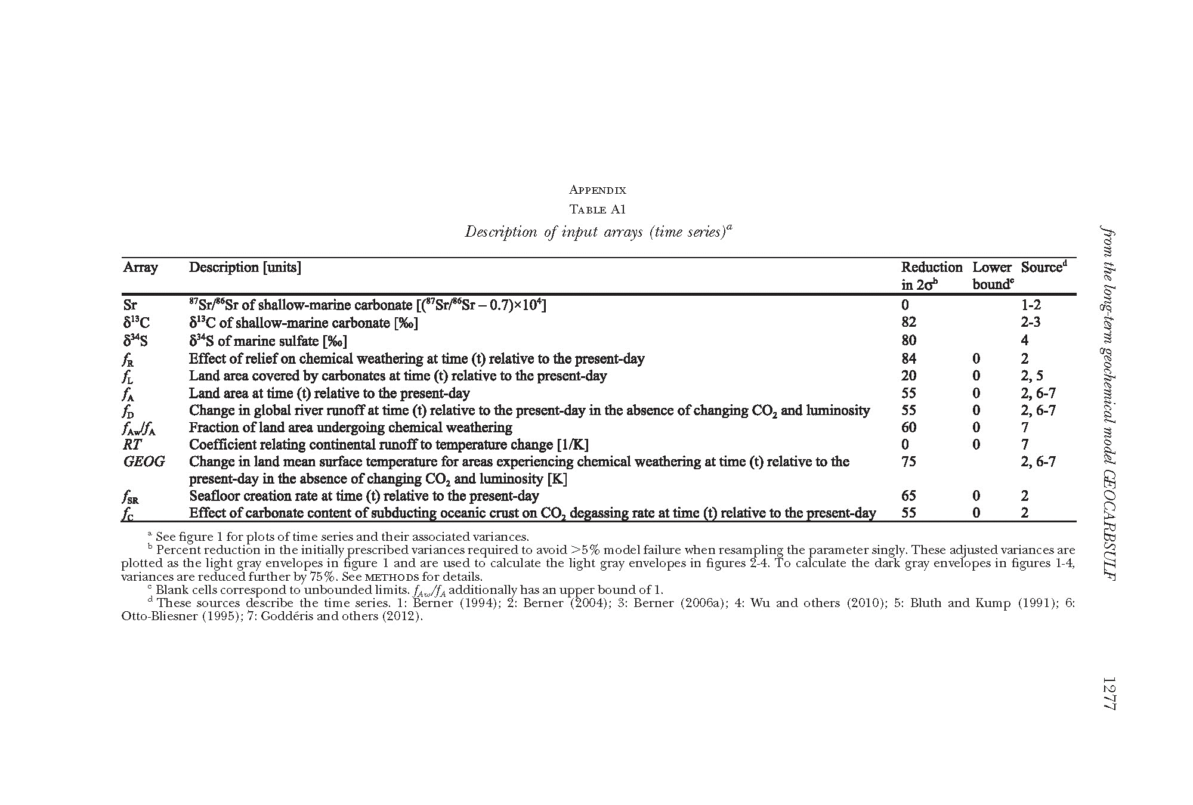
 |  |  | 0 and 75 |  |  | 82 and 75 |  |  | 80 and 75 |  |  | 84 and 75 |  |  | 20 and 75 |  |  | 55 and 75 |  |  | 60 and 75 |  |  | 55 and 75 |  |  | 0 and 75 |  |  | 75 and 75 |  |  | 65 and 75 |  |  | 55 and 75
age | eSr | eSr | red% | ed13C | ed13C | red% | ed34S | ed34S | red% | efR | efR | red% | efL | efL | red% | efA_Godderis | efA_Godderis | red% | efAw_fA_Godderis | efAw_fA_Godderis | red% | efD_Godderis | efD_Godderis | red% | eRT | eRT | red% | eGEOG_Godderis | eGEOG_Godderis | red% | eFSR | eFSR | red% | efC | efC | red%
570 | 2.419794621 | 0.604948655 | 75 | 0.383574975 | 0.532743021 | -39 | 0.936205985 | 1.170257481 | -25 | 0.081024 | 0.0633 | 22 | 0.252 | 0.07875 | 69 | 0.225 | 0.1125 | 50 | 0.4066 | 0.091485 | 78 | 0.126417526 | 0.063208763 | 50 | 0.015996867 | 0.003999217 | 75 | 1.25 | 0.875 | 30 | 0.175 | 0.125 | 29 | 0.16875 | 0.09375 | 44
560 | 2.419794621 | 0.604948655 | 75 | 0.383574975 | 0.106548604 | 72 | 0.936205985 | 0.468102992 | 50 | 0.081568 | 0.12745 | -56 | 0.252 | 0.070875 | 72 | 0.225 | 0.075 | 67 | 0.4066 | 0.10165 | 75 | 0.126417526 | 0.049162371 | 61 | 0.015996867 | 0.003999217 | 75 | 1.25 | 1.25 | 0 | 0.182 | 0.13 | 29 | 0.16875 | 0.09375 | 44
550 | 2.419794621 | 0.604948655 | 75 | 0.383574975 | 0.26637151 | 31 | 0.936205985 | 0.819180237 | 12 | 0.081952 | 0.089635 | -9 | 0.252 | 0.07875 | 69 | 0.225 | 0.1125 | 50 | 0.4066 | 0.10165 | 75 | 0.126417526 | 0.056185567 | 56 | 0.020351582 | 0.005087896 | 75 | 1.25 | 0.875 | 30 | 0.21 | 0.15 | 29 | 0.16875 | 0.09375 | 44
540 | 2.419794621 | 0.604948655 | 75 | 0.383574975 | 0.106548604 | 72 | 0.936205985 | 0.468102992 | 50 | 0.082176 | 0.10272 | -25 | 0.252 | 0.07875 | 69 | 0.22275 | 0.111375 | 50 | 0.4066 | 0.10165 | 75 | 0.126417526 | 0.070231959 | 44 | 0.013064145 | 0.003266036 | 75 | 1.25 | 1.25 | 0 | 0.23625 | 0.16875 | 29 | 0.16875 | 0.09375 | 44
530 | 2.419794621 | 0.604948655 | 75 | 0.383574975 | 0.159822906 | 58 | 0.94426086 | 0.826228252 | 13 | 0.082264 | 0.08997625 | -9 | 0.42 | 0.13125 | 69 | 0.216225 | 0.1081125 | 50 | 0.410175 | 0.10254375 | 75 | 0.14094906 | 0.07047453 | 50 | 0.014353143 | 0.003588286 | 75 | 1.25 | 0.875 | 30 | 0.27825 | 0.19875 | 29 | 0.16875 | 0.09375 | 44
520 | 2.419794621 | 0.604948655 | 75 | 0.385164 | 0.053495 | 86 | 1.349518433 | 0.674759216 | 50 | 0.082216 | 0.08992375 | -9 | 0.42 | 0.13125 | 69 | 0.2097 | 0.10485 | 50 | 0.41375 | 0.1034375 | 75 | 0.155480594 | 0.077740297 | 50 | 0.01564214 | 0.003910535 | 75 | 1.25 | 1 | 20 | 0.2975 | 0.2125 | 29 | 0.16875 | 0.09375 | 44
510 | 2.419794621 | 0.604948655 | 75 | 0.383574975 | 0.106548604 | 72 | 1.761953461 | 0.880976731 | 50 | 0.082032 | 0.0640875 | 22 | 0.388 | 0.12125 | 69 | 0.20295 | 0.0902 | 56 | 0.417325 | 0.093898125 | 78 | 0.170012129 | 0.075560946 | 56 | 0.015162999 | 0.00379075 | 75 | 1.25 | 0.75 | 40 | 0.2835 | 0.2025 | 29 | 0.16875 | 0.09375 | 44
500 | 3.388423557 | 0.847105889 | 75 | 0.1106064 | 0.092172 | 17 | 3.030053905 | 0.378756738 | 88 | 0.081736 | 0.1277125 | -56 | 0.396 | 0.099 | 75 | 0.196425 | 0.109125 | 44 | 0.4209 | 0.105225 | 75 | 0.184543663 | 0.102524257 | 44 | 0.014451303 | 0.003612826 | 75 | 1.25 | 1.25 | 0 | 0.266 | 0.19 | 29 | 0.16875 | 0.09375 | 44
490 | 1.156670083 | 0.289167521 | 75 | 0.383574975 | 0.213097208 | 44 | 2.324226036 | 1.162113018 | 50 | 0.08132 | 0.1270625 | -56 | 0.396 | 0.12375 | 69 | 0.20025 | 0.11125 | 44 | 0.413283333 | 0.103320833 | 75 | 0.190751971 | 0.105973317 | 44 | 0.014604384 | 0.003651096 | 75 | 1.25 | 1.25 | 0 | 0.2625 | 0.1875 | 29 | 0.16875 | 0.09375 | 44
480 | 3.439604452 | 0.859901113 | 75 | 0.247626 | 0.13757 | 44 | 0.873002482 | 0.982127792 | -12 | 0.080808 | 0.1262625 | -56 | 0.396 | 0.12375 | 69 | 0.20385 | 0.11325 | 44 | 0.405666667 | 0.101416667 | 75 | 0.196960279 | 0.109422377 | 44 | 0.014757464 | 0.003689366 | 75 | 1.25 | 1.25 | 0 | 0.26075 | 0.18625 | 29 | 0.16875 | 0.09375 | 44
470 | 3.615500546 | 0.903875137 | 75 | 0.3272184 | 0.136341 | 58 | 1.800296272 | 0.675111102 | 63 | 0.080184 | 0.1252875 | -56 | 0.428 | 0.13375 | 69 | 0.207675 | 0.115375 | 44 | 0.39805 | 0.0995125 | 75 | 0.203168587 | 0.112871437 | 44 | 0.014590436 | 0.003647609 | 75 | 1.25 | 1.25 | 0 | 0.2625 | 0.1875 | 29 | 0.16875 | 0.09375 | 44
460 | 5.590051807 | 1.397512952 | 75 | 0.2710116 | 0.3387645 | -25 | 0.912432646 | 1.140540807 | -25 | 0.079472 | 0.124175 | -56 | 0.428 | 0.13375 | 69 | 0.18675 | 0.10375 | 44 | 0.40825 | 0.1020625 | 75 | 0.2129245 | 0.118291389 | 44 | 0.013815666 | 0.003453916 | 75 | 1.25 | 1.25 | 0 | 0.266 | 0.19 | 29 | 0.16875 | 0.09375 | 44
450 | 1.521790595 | 0.380447649 | 75 | 0.2638584 | 0.256529 | 3 | 1.898209683 | 1.660933472 | 13 | 0.078664 | 0.1229125 | -56 | 0.46 | 0.14375 | 69 | 0.165825 | 0.092125 | 44 | 0.41845 | 0.1046125 | 75 | 0.222680412 | 0.12371134 | 44 | 0.013040895 | 0.003260224 | 75 | 1.25 | 1.25 | 0 | 0.266 | 0.19 | 29 | 0.16875 | 0.09375 | 44
440 | 2.787186692 | 0.696796673 | 75 | 0.7905024 | 0.439168 | 44 | 2.091082364 | 2.613852955 | -25 | 0.077784 | 0.1215375 | -56 | 0.572 | 0.17875 | 69 | 0.169875 | 0.094375 | 44 | 0.4206 | 0.10515 | 75 | 0.212958611 | 0.11831034 | 44 | 0.012266124 | 0.003066531 | 75 | 1.25 | 1.25 | 0 | 0.27125 | 0.19375 | 29 | 0.16875 | 0.09375 | 44
430 | 1.935793291 | 0.483948323 | 75 | 0.6384312 | 0.443355 | 31 | 1.744051113 | 2.180063892 | -25 | 0.076824 | 0.1200375 | -56 | 0.572 | 0.17875 | 69 | 0.173925 | 0.096625 | 44 | 0.42275 | 0.1056875 | 75 | 0.242124015 | 0.134513341 | 44 | 0.011491353 | 0.002872838 | 75 | 1.25 | 1.25 | 0 | 0.27125 | 0.19375 | 29 | 0.16875 | 0.09375 | 44
420 | 2.270982213 | 0.567745553 | 75 | 0.8198316 | 0.5693275 | 31 | 1.292569239 | 1.615711549 | -25 | 0.0758 | 0.09475 | -25 | 0.616 | 0.1925 | 69 | 0.177975 | 0.098875 | 44 | 0.418966667 | 0.104741667 | 75 | 0.243738629 | 0.13541035 | 44 | 0.011243253 | 0.002810813 | 75 | 1.25 | 1.25 | 0 | 0.26775 | 0.19125 | 29 | 0.16875 | 0.084375 | 50
410 | 3.358490877 | 0.839622719 | 75 | 0.33921 | 0.3769 | -11 | 0.899184816 | 1.12398102 | -25 | 0.074712 | 0.1167375 | -56 | 0.652 | 0.20375 | 69 | 0.182025 | 0.101125 | 44 | 0.415183333 | 0.103795833 | 75 | 0.245353244 | 0.136307358 | 44 | 0.011205084 | 0.002801271 | 75 | 1.25 | 1.25 | 0 | 0.259 | 0.1665 | 36 | 0.16875 | 0.065625 | 61
400 | 1.909957966 | 0.477489492 | 75 | 0.3367944 | 0.280662 | 17 | 0.867409938 | 1.084262422 | -25 | 0.073568 | 0.11495 | -56 | 0.652 | 0.20375 | 69 | 0.186075 | 0.103375 | 44 | 0.4114 | 0.10285 | 75 | 0.246967859 | 0.137204366 | 44 | 0.011166916 | 0.002791729 | 75 | 1.25 | 1.25 | 0 | 0.2415 | 0.1725 | 29 | 0.16875 | 0.09375 | 44
390 | 1.046992592 | 0.261748148 | 75 | 0.4872636 | 0.3383775 | 31 | 1.560170931 | 1.950213664 | -25 | 0.072376 | 0.1130875 | -56 | 0.588 | 0.18375 | 69 | 0.177075 | 0.098375 | 44 | 0.41285 | 0.1032125 | 75 | 0.252880534 | 0.140489185 | 44 | 0.011128748 | 0.002782187 | 75 | 1.25 | 1.25 | 0 | 0.238 | 0.17 | 29 | 0.16875 | 0.09375 | 44
380 | 1.54523811 | 0.386309528 | 75 | 0.4729608 | 0.394134 | 17 | 0.799699944 | 0.99962493 | -25 | 0.071136 | 0.11115 | -56 | 0.588 | 0.18375 | 69 | 0.168075 | 0.093375 | 44 | 0.4143 | 0.103575 | 75 | 0.258793208 | 0.143774004 | 44 | 0.011090579 | 0.002772645 | 75 | 1.25 | 1.25 | 0 | 0.2415 | 0.1725 | 29 | 0.16875 | 0.09375 | 44
370 | 1.809533172 | 0.452383293 | 75 | 0.2701008 | 0.18757 | 31 | 0.936205985 | 1.170257481 | -25 | 0.069872 | 0.109175 | -56 | 0.588 | 0.18375 | 69 | 0.159075 | 0.088375 | 44 | 0.41575 | 0.1039375 | 75 | 0.264705882 | 0.147058824 | 44 | 0.011052411 | 0.002763103 | 75 | 1.25 | 1.25 | 0 | 0.245 | 0.175 | 29 | 0.16875 | 0.09375 | 44
360 | 2.084706146 | 0.521176537 | 75 | 0.5345928 | 0.296996 | 44 | 0.936205985 | 1.170257481 | -25 | 0.068568 | 0.1071375 | -56 | 0.56 | 0.175 | 69 | 0.1656 | 0.092 | 44 | 0.41955 | 0.1048875 | 75 | 0.263250455 | 0.146250253 | 44 | 0.010268088 | 0.002567022 | 75 | 1.25 | 1.25 | 0 | 0.25025 | 0.17875 | 29 | 0.16875 | 0.09375 | 44
350 | 3.720777374 | 0.930194343 | 75 | 0.5661432 | 0.235893 | 58 | 1.018233765 | 1.272792206 | -25 | 0.067256 | 0.08407 | -25 | 0.564 | 0.17625 | 69 | 0.17235 | 0.05745 | 67 | 0.42335 | 0.1058375 | 75 | 0.261795027 | 0.087265009 | 67 | 0.009483765 | 0.002370941 | 75 | 1.25 | 0.625 | 50 | 0.25025 | 0.0715 | 71 | 0.16875 | 0.046875 | 72
340 | 3.358826861 | 0.839706715 | 75 | 0.5284152 | 0.660519 | -25 | 1.15562393 | 1.300076921 | -12 | 0.06592 | 0.103 | -56 | 0.564 | 0.17625 | 69 | 0.1791 | 0.0995 | 44 | 0.42715 | 0.1067875 | 75 | 0.2603396 | 0.144633111 | 44 | 0.009628267 | 0.002407067 | 75 | 1.25 | 1 | 20 | 0.224 | 0.112 | 50 | 0.16875 | 0.075 | 56
330 | 3.841308571 | 0.960327143 | 75 | 0.5450544 | 0.605616 | -11 | 0.290516781 | 0.363145976 | -25 | 0.064592 | 0.100925 | -56 | 0.564 | 0.17625 | 69 | 0.18 | 0.1 | 44 | 0.428575 | 0.10714375 | 75 | 0.259299196 | 0.144055109 | 44 | 0.010042428 | 0.002510607 | 75 | 1.25 | 1.25 | 0 | 0.18725 | 0.107 | 43 | 0.16875 | 0.09375 | 44
320 | 2.290606795 | 0.572651699 | 75 | 0.6235092 | 0.346394 | 44 | 0.351782761 | 0.439728452 | -25 | 0.063256 | 0.07907 | -25 | 0.564 | 0.17625 | 69 | 0.180675 | 0.100375 | 44 | 0.43 | 0.1075 | 75 | 0.258258793 | 0.143477107 | 44 | 0.010256608 | 0.002564152 | 75 | 1.25 | 1.125 | 10 | 0.18725 | 0.13375 | 29 | 0.16875 | 0.084375 | 50
...
 |  |  | 0 and 75 |  |  | 82 and 75 |  |  | 80 and 75 |  |  | 84 and 75 |  |  | 20 and 75 |  |  | 55 and 75 |  |  | 60 and 75
90 | 1.6460974 | 0.41152435 | 75 | 0.3099672 | 0.301357 | 3 | 0.140217943 | 0.175272428 | -25 | 0.056904 | 0.02667375 | 53 | 0.352 | 0.11 | 69 | 0.189675 | 0.063225 | 67 | 0.447 | 0.06705 | 85 | 0.266206792
80 | 1.632271901 | 0.408067975 | 75 | 0.1850832 | 0.25706 | -39 | 0.286957106 | 0.358696383 | -25 | 0.058632 | 0.0183225 | 69 | 0.352 | 0.11 | 69 | 0.200925 | 0.066975 | 67 | 0.437475 | 0.054684375 | 88 | 0.268355822
70 | 1.866222523 | 0.466555631 | 75 | 0.1271844 | 0.176645 | -39 | 0.416757693 | 0.520947116 | -25 | 0.060576 | 0.028395 | 53 | 0.352 | 0.11 | 69 | 0.212175 | 0.117875 | 44 | 0.42795 | 0.08559 | 80 | 0.270504851
60 | 1.193763254 | 0.298440814 | 75 | 0.4825656 | 0.536184 | -11 | 0.278637608 | 0.34829701 | -25 | 0.062736 | 0.0686175 | -9 | 0.504 | 0.1575 | 69 | 0.218475 | 0.121375 | 44 | 0.443866667 | 0.110966667 | 75 | 0.267775925
50 | 0.693546005 | 0.173386501 | 75 | 0.4480236 | 0.4355785 | 3 | 0.608302702 | 0.760378378 | -25 | 0.065104 | 0.08138 | -25 | 0.44 | 0.1375 | 69 | 0.224775 | 0.124875 | 44 | 0.453754545 | 0.113438636 | 75 | 0.265940101
40 | 1.137572269 | 0.284393067 | 75 | 0.3349224 | 0.46517 | -39 | 0.071800228 | 0.089750285 | -25 | 0.06768 | 0.10575 | -56 | 0.44 | 0.1375 | 69 | 0.234675 | 0.130375 | 44 | 0.439527273 | 0.109881818 | 75 | 0.267676691
30 | 2.009774665 | 0.502443666 | 75 | 0.1333584 | 0.18522 | -39 | 0.172329781 | 0.215412226 | -25 | 0.070456 | 0.08807 | -25 | 0.516 | 0.16125 | 69 | 0.244575 | 0.135875 | 44 | 0.4253 | 0.106325 | 75 | 0.269413281
20 | 3.739683628 | 0.934920907 | 75 | 0.3898224 | 0.54142 | -39 | 0.071375066 | 0.089218832 | -25 | 0.07344 | 0.11475 | -56 | 0.396 | 0.12375 | 69 | 0.233775 | 0.129875 | 44 | 0.424933333 | 0.106233333 | 75 | 0.241032444
10 | 1.578155863 | 0.394538966 | 75 | 0.3249216 | 0.361024 | -11 | 0.099132131 | 0.123915164 | -25 | 0.076624 | 0.071835 | 6 | 0.4 | 0.125 | 69 | 0.22725 | 0.12625 | 44 | 0.42475 | 0.1061875 | 75 | 0.226228017
0 | 1.106233667 | 0.276558417 | 75 | 0.2490876 | 0.0345955 | 86 | 0.186040812 | 0.232551015 | -25 | 0.08 | 0.0125 | 84 | 0.4 | 0.125 | 69 | 0.225 | 0.0625 | 72 | 0.42475 | 0.03185625 | 93 | 0.225

